Lung TNM guidance
TNM guidance for lung cancer

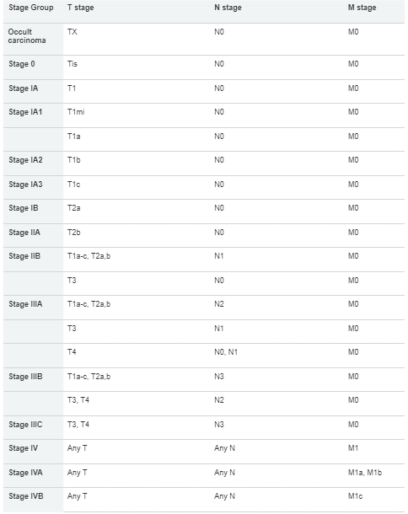

Pancreatic TNM staging
TNM staging for pancreatic cancer
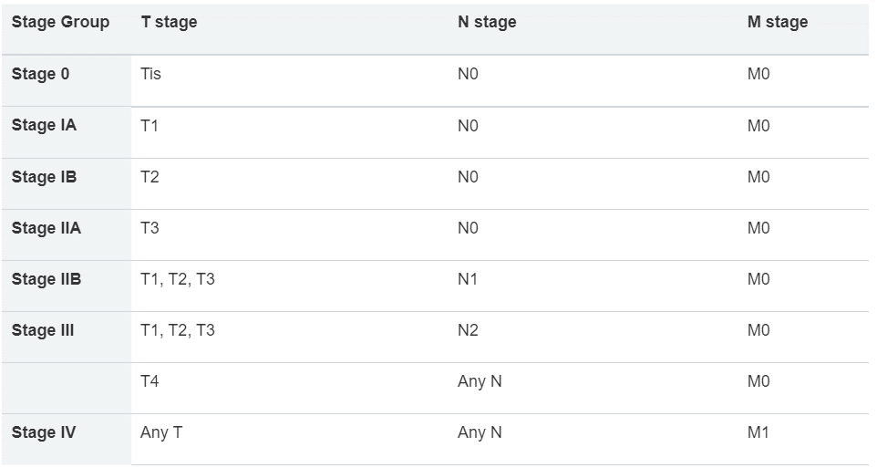

Oesophageal TNM staging
Oesophageal cancer TNM staging

Squamous Cell Carcinoma | Adenocarcinoma
